Planilha1
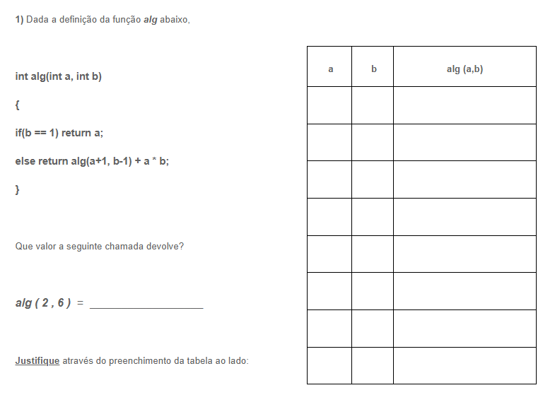
a | b | alg (a,b)
2 | 6 | alg(3,5)+12
3 | 5 | alg(4,4)+15
4 | 4 | alg(5,3)+16
5 | 3 | alg(6,2)+15
6 | 2 | alg(7,1)+12
7 | 1 | 7
6 | 2 | 7+12=19
5 | 3 | 19+15=34
4 | 4 | 34+16=50
3 | 5 | 50+15=65
2 | 6 | 65+12=77

